Sheet1
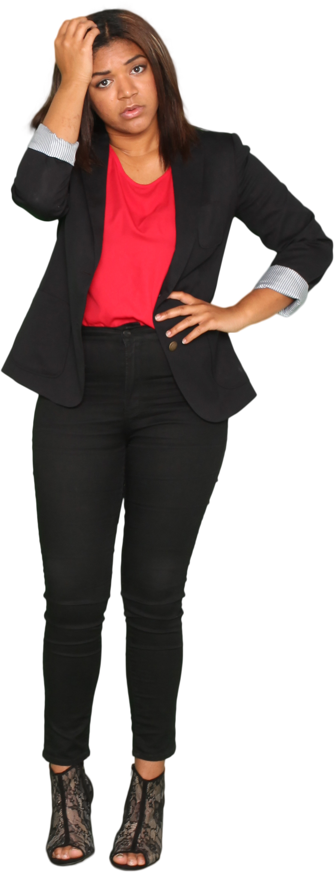
Text | Answer Expected
AMNZ | AMNZ
SOUL | WIZARD
WIZARD | TREEVVIG
VINEYARD
BOBCAT
GALAXY
ATBASH Palindrome - In ATBASH cipher, we replace a with z, b with y, c with x.....y with b, z with a.
Find those texts which are palindrome after doing ATBASH cipher and reversing it.
Ex. AMNZ
Reversing it gives ZNMA and after applying ATBASH cipher, it becomes AMNZ which is equal to original text i.e. it is a palindrome..
JUPITER
TREEVVIG
IVYLEAGUE

